ScreenShot
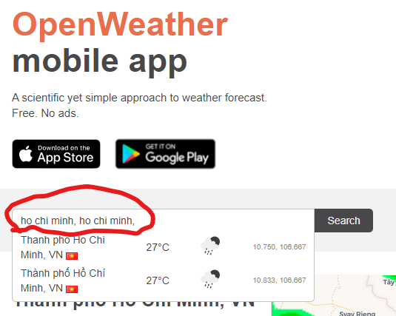
Bug_SearchWeather_001

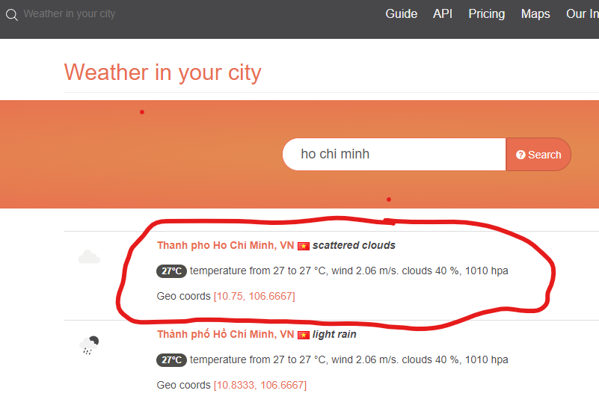

Bug_SearchWeather_002

